Questions
Questions

1) Creat dinamic & atractive Dashboard.
2) In this dashboard need to highlite below points with deferent & atractive charts.
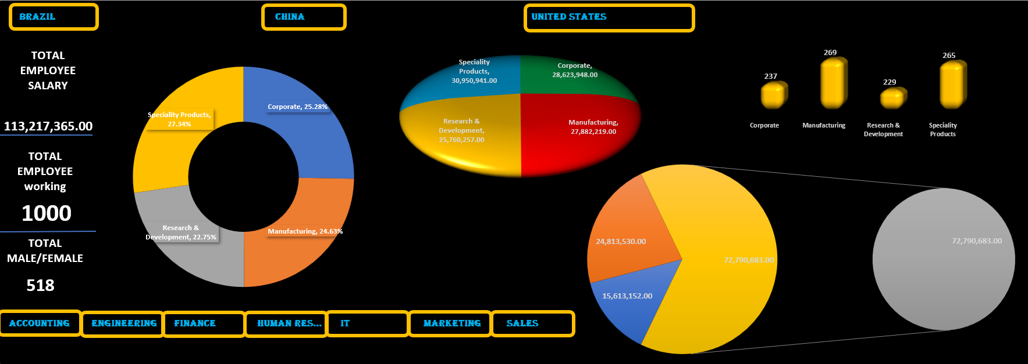
 | 1. show the percentage of annual salary with 4 business units.
 | 2. show the Value wise of annual salary with 4 business units.
 | 3. Highlit Total employees salary.
 | 4. show the Value of annual salary with city wise (each city).
 | 5. show the total count of emplyoee in each business unite.
 | 6. show the total employee count of this company.
 | 7. show the annual salary contry wise value.
 | 8. show the total count of MALE & FEMALE.
 | 9. show the total count of employee with Ethnicity wise.
 | 10. Create slicer on contry's & connect with all charts & tables.

Sheet1
Row Labels | Sum of Annual Salary | Row Labels | Count of Full Name
Corporate | 25.28% | Corporate | 237
Manufacturing | 24.63% | Manufacturing | 269
Research & Development | 22.75% | Research & Development | 229
Speciality Products | 27.34% | Speciality Products | 265
Grand Total | 100.00% | Grand Total | 1000

Row Labels | Sum of Annual Salary | Row Labels | Sum of Annual Salary
Corporate | 5179067 | Brazil | 15613152
Manufacturing | 2622179 | China | 24813530
Research & Development | 3356590 | United States | 72790683
Speciality Products | 3578511 | Grand Total | 113217365
Grand Total | 14736347

 | 14736347
 |  | Row Labels | Count of EEID
Row Labels | Sum of Annual Salary | Female | 518
Austin | 11484076 | Male | 482
Beijing | 5993894 | Grand Total | 1000
Chengdu | 5077819
Chicago | 10330994 |  | 482
Chongqing | 7503272 |  | 518
Columbus | 13120247
Manaus | 4833339 | Row Labels | Count of Full Name
Miami | 12629708 | Asian | 404
Phoenix | 11710833 | Black | 74
Rio de Janerio | 4764141 | Caucasian | 271
Sao Paulo | 6015672 | Latino | 251
Seattle | 13514825 | Grand Total | 1000
Shanghai | 6238545
Grand Total | 113217365

Sheet2
sum of annual salary
 | Total
Corporate | 25.28%
Manufacturing | 24.63%
Research & Development | 22.75%
Speciality Products | 27.34%
 | Total
Brazil | 15613152
China | 24813530
United States | 72790683
 | Total
Corporate | 5179067
Manufacturing | 2622179
Research & Development | 3356590
Speciality Products | 3578511
14736347


count of annual salary
 | Total
Austin | 11484076
Beijing | 5993894
Chengdu | 5077819
Chicago | 10330994
Chongqing | 7503272
Columbus | 13120247
Manaus | 4833339
Miami | 12629708
Phoenix | 11710833
Rio de Janerio | 4764141
Sao Paulo | 6015672
Seattle | 13514825
Shanghai | 6238545
 | Total
Asian | 404
Black | 74
Caucasian | 271
Latino | 251

482

518

